Cover EUDR Questionnaire
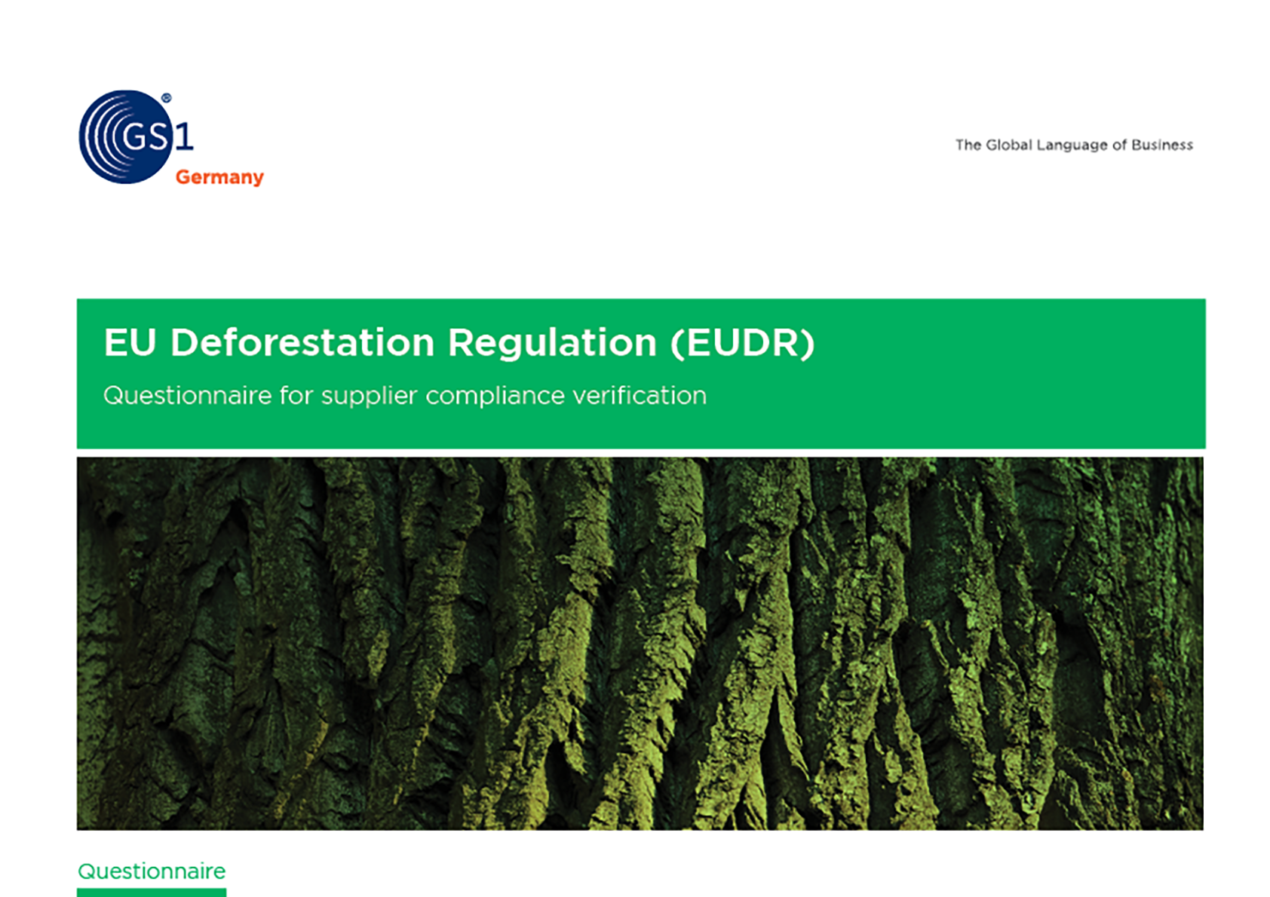

1. Company information
1. Company information

ID | Category | Question | Answer options | Answer type | Answer triggering a conditional question | Is the question optional?
C.1.1 | Company information | Street name of your company’s headquarters |  | Free text |  | No
C.1.2 | Company information | Postcode of your company’s headquarters |  | Free text |  | No
C.1.3 | Company information | Country of your company’s headquarters | Code list countries | Single choice |  | No
C.1.4 | Company information | Does your company trade or produce any product under EUDR? | • No • Yes, as a trader • Yes, as an operator • Yes, as a trader and operator • Yes, but neither as a trader nor as an operator (Upstream supply chain) | Multiple choice |  | No
C.2.1 | Contact information | Salutation | • Ms • Mr • Mx | Single choice |  | No
C.2.2 | Contact information | EUDR contact person(s) – first name* |  | Free text |  | No
C.2.3 | Contact information | EUDR contact person(s) – last name* |  | Free text |  | No
C.2.4 | Contact information | EUDR contact person(s) – e-mail* |  | Free text |  | No
C.3.1 | SME/non-SME | Does your company (in the case of group companies, only the respective legal entity) meet at least two of the following size criteria? (1) Annual net turnover exceeds EUR 50 million, (2) Balance sheet total exceeds EUR 25 million, (3) Average number of employees exceeds 250 | • Yes, our company meets two or more of these size criteria. • ​​No, our company meets only one or none of these size criteria. | Single choice |  | No

*The processing of personal data is based on Art. 6 para. 1 lit. f) GDPR.

2

